Project risk
PROJECT RISK MITIGATION STRATEGY

ABOUT
This tab contains tables to outline key risks to the development and implementation of your project. This includes but is not limited to technical, regulatory, organizational, financial and environmental risks. This risk assessment is intended to support the assessment of the viability of the project and should cover the lead applicant and any anticipated project partners.

INSTRUCTIONS ON HOW TO USE THIS SPREADSHEET:
1. Only modify white cells in the tables. 2. DO NOT modify any color cell. 3. Outline key risks that affect the overall project and the expected consequences. These are project risks not commercialization risks. 4. Rate the likelihood and impact of risk using the rating tables. Select levels using the dropdown list. 5. Use the matrix to determine risk levels and select level from dropdown list. 6. Describe the mitigation strategy (actions to reduce the likelihood/ reduce the level of impact if risk occurs). 7. Add additional rows as required to capture all risks.

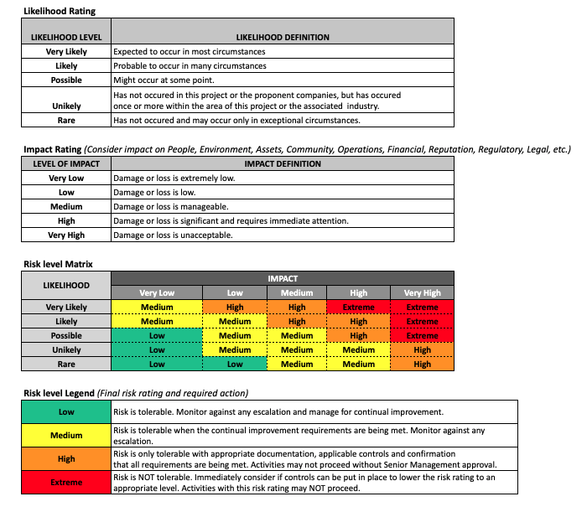
Category of RIsk | Risk Description | Expected Consequences | Likelihood of the risk occuring | Level of Impact if risk occurs | Risk level | Mitigation Strategy
(e.g. regulatory, operational etc) |  |  | [Select Likelihood] | [Select Impact] | [Select Risk level]
 |  |  | [Select Likelihood] | [Select Impact] | [Select Risk level]
 |  |  | [Select Likelihood] | [Select Impact] | [Select Risk level]
 |  |  | [Select Likelihood] | [Select Impact] | [Select Risk level]
 |  |  | [Select Likelihood] | [Select Impact] | [Select Risk level]
 |  |  | [Select Likelihood] | [Select Impact] | [Select Risk level]
 |  |  | [Select Likelihood] | [Select Impact] | [Select Risk level]
 |  |  | [Select Likelihood] | [Select Impact] | [Select Risk level]
 |  |  | [Select Likelihood] | [Select Impact] | [Select Risk level]
 |  |  | [Select Likelihood] | [Select Impact] | [Select Risk level]
 |  |  | [Select Likelihood] | [Select Impact] | [Select Risk level]
 |  |  | [Select Likelihood] | [Select Impact] | [Select Risk level]
 |  |  | [Select Likelihood] | [Select Impact] | [Select Risk level]
 |  |  | [Select Likelihood] | [Select Impact] | [Select Risk level]
 |  |  | [Select Likelihood] | [Select Impact] | [Select Risk level]
 |  |  | [Select Likelihood] | [Select Impact] | [Select Risk level]
 |  |  | [Select Likelihood] | [Select Impact] | [Select Risk level]
 |  |  | [Select Likelihood] | [Select Impact] | [Select Risk level]
 |  |  | [Select Likelihood] | [Select Impact] | [Select Risk level]
 |  |  | [Select Likelihood] | [Select Impact] | [Select Risk level]
 |  |  | [Select Likelihood] | [Select Impact] | [Select Risk level]
 |  |  | [Select Likelihood] | [Select Impact] | [Select Risk level]
 |  |  | [Select Likelihood] | [Select Impact] | [Select Risk level]
 |  |  | [Select Likelihood] | [Select Impact] | [Select Risk level]

